dbo.Log_Event
Database: | SysproDocument
Schema: | dbo
TableName: | Log_Event
Purpose: | Used to store the different log events that should be logged within the application
Table Creation Status: | Existing Table. Need to add record for new application

Column Name | Log_EventId | ApplicationId | EventType | LogLevel | EventDescription
DataType | tinyint | tinyint | varchar(50) | int | varchar(255)
PrimaryKey | YES
Identity Column | YES
Brief Description | Used to log events related to specific application and event | Would be the ApplicationId from dbo.Application | Should match short description of event from application | 1 | Longer description of the event
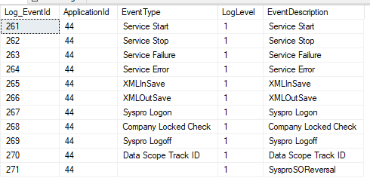
DataExample

